Sample Instructions
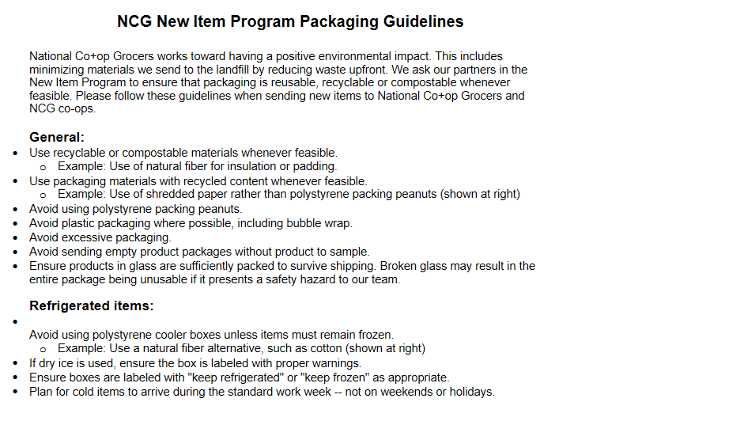
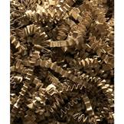
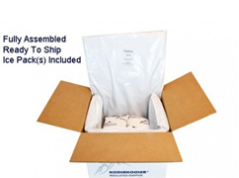
NCG Core Sets Sample Requirements
Before sending samples, request approval from your Category Manager. Once approved, send samples according to the below guidance: - For chips/cookies/crackers/candy SKUs, please send six (6) units - For all other shelf stable Grocery and Wellness SKUs, please send three (3) units - For Refrigerated SKUs, please send two (2) units - For Frozen SKUs, please send one (1) unit - With refrigerated/frozen product samples, please include coupons for a free product; this will facilitate more trial from the team and eliminate need for wasteful secondary shipping.
Do not send samples outside the review calendar without approval from Category Manager or Associate Category Manager.
If product samples are unavailable, bench samples or mock ups may be provided if confirmed with your Category Manager.
If brands would prefer to send a full case instead of the requested units above, please contact your Category Manager for approval.
Please notify your NCG Category Manager if samples are not available by the due date to make alternate arrangements.
Product samples must also be provided to individual NCG member co-ops on request.

All samples must be mailed or shipped to the NCG office (address below). We cannot receive samples dropped off directly by brands or brokers.

Please help us meet our sustainability goals:
Email sell sheets, sales decks, or other collateral instead of sending paper copies.
Ship items with a minimal amount of packing materials, see Sample Packaging Guidelines.

Every package shipping label must include the below information in the following order:
Category Manager Name
Core Sets Round & Category Name
2610 University Ave. W, Suite 150 St. Paul, MN 55114

Sample Packaging Guidelines

