Submission Form
2027 | Core Set Item Submission Form |  |  |  |  | This form outlines all items (new and mature) you wish to be considered for both Full and New Item Only Reviews
 |  |  | Submission Round: |  |  | Note: Samples are required for New items, see sample instruction tab
 |  |  | National or Regional: |  |  | ALL APPLICABLE FIELDS MUST BE COMPLETE IN ORDER TO BE CONSIDERED

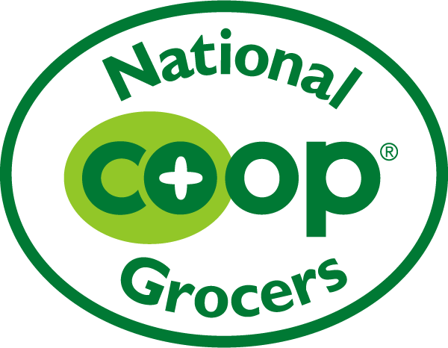
Confirm Minimum Requirements (see Instructions tab): |  |  |  |  |  |  |  | Vendor |  |  |  |  |  |  |  | Broker
Quarterly Promotions: |  |  |  |  |  | Brand: |  |  |  |  |  |  | Broker:
Program Fee: |  |  |  |  |  | Contact: |  |  |  |  |  |  | Contact:
Free Fills: |  |  |  |  |  | Email: |  |  |  |  |  |  | Email:
Reset Support: |  |  |  |  |  | Phone: |  |  |  |  |  |  | Phone:

Core Set Cost Support (optional):
 |  |  |  |  |  |  |  |  |  |  |  |  |  |  |  |  |  |  | Information on Multiple Selling UPCs (complete if applicable) Note: Not Master Case UPC |  |  |  |  |  |  | Product Attributes (Y/N)
UPC Use SPINS format. Please verify that your UPCs are in the correct format by using the UPC Converter tab | Ranking Preference | Direct Ship / Distributor (list which) | UNFI East Code | UNFI West Code | Brand | Product Description | Case Pack Amount | Unit Size | UOM | MSRP | Maximum Unit Cost to NCG Member Co-ops | Category | Subcategory | Mature/ New item | If new item, Product Launch Date | Distributor Minimum Order Size | Shelf Life to Distributor | Are there additional selling UPCs for this item? (Y/N) | Corresponding UPC (omit ending check digit) | Selling Unit Type (box, packet, tray, sleeve, etc) | Unit Size | UOM | Certified Organic* | Certified Non-GMO* | Certified Gluten Free | Certified Kosher | Fair-Trade Certified | Certified Vegan | B-Corp Certified | Sustainable Packaging | Certified Upcycled | Inclusive Trade Brand | Other notable attributes
Example: 01-12345-67890 | 1 | UNFI | 123456 | 78901 | Your Brand | Nutrition Bar | 16 | 1.5 | OZ | $1.99 | $1.19 | WELLNESS BARS & GELS | BARS WELLNESS | Mature |  | 1 case | 365 days | Y | 01-12345-98765 | Sleeve of Bars | 16 | CT | N | N | Y | Y | N | Y | N | N | N | Y
Example: 09-98765-43210 | 2 | UNFI | 543210 | 98765 | Your Brand | Organic Kids Cereal | 12 | 10 | OZ | $5.99 | $3.59 | SHELF STABLE COLD CEREALS | SS CEREAL COLD KIDS | New | 2025-01-01 | 1 case | 365 days | N |  |  |  |  | Y | Y | N | N | Y | N | N | Y | N | Y

Sample Instructions
NCG Core Sets Sample Requirements
Before sending samples, request approval from your Category Manager. Once approved, send samples according to the below guidance: - For Grocery and Wellness SKUs, please send three (3) units - For Frozen and Refrigerated SKUs, please send one (1) unit - With refrigerated/frozen product samples, please include coupons for a free product; this will facilitate more trial from the team and eliminate need for shipping. - If brands would prefer to send a full case instead of the requested units above, please contact your Category Manager for approval. - Product samples must also be provided to individual NCG member co-ops on request.
All samples must be mailed or shipped to the NCG office (address below). We cannot receive samples dropped off directly by brands or brokers.

Every package shipping label must include the below information in the following order: Category Manager Name Core Sets Round & Category Name 2610 University Ave. W, Suite 150 St. Paul, MN 55114

Please help us meet our sustainability goals:
Email sell sheets, sales decks, or other collateral instead of sending paper copies.
Ship items with a minimal amount of packing materials, see Sample Packaging Guidelines.

Sample Packaging Guidelines
National Co+op Grocers works towards having a positive environmental impact. This includes minimizing materials we send to the landfill by reducing waste upfront. We ask our vendor partners to ensure packaging is reusable, recyclable and/or compostable whenever feasible. Please follow these guidelines when sending samples to NCG.

General:
• Use recyclable or compostable materials as possible.
• Use packaging materials with recycled content as possible.
○ Example: Use of shredded paper rather than polystyrene packing peanuts (shown at right)
• Avoid polystyrene packing peanuts
• Avoid plastic packaging, including bubble wrap
• Avoid excess packaging
• Avoid sending empty product packages without products to sample.
• Ensure products in glass are sufficiently packed to survive shipping. Broken glass may result in the entire package being unusuable if it presents a safety hazard to our team.

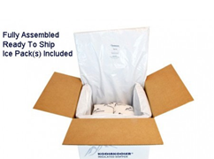
Refrigerated/Frozen:
• Avoid using polystyrene cooler boxes unless items must remain frozen.
○ Example: Use of a natural fiber alternative, such as cotton. (shown at right)
• If dry ice is used, ensure the box is labeled with proper warnings.
• Ensure boxes are labeled "Keep Refrigerated" or " Keep Frozen" as appropriate.

